Result Table
Fab Data |  |  |  |  |  |  |  |  |  |  |  |  |  |  |  | mAb Data
Fab Index | Automated Fit Selection | Sensor Type | Sensor Protein | Solution Protein | Conc. (nM) | KD (M) | KD Error | ka (M-1s-1) | ka Error | kd (s-1) | kd Error | Rmax (fractional) | Rmax Error | R2 | Plot | mAb Index | Automated Fit Selection | Sensor Type | Sensor Protein | Solution Protein | Conc. (nM) | KD (M) | KD Error | ka (M-1s-1) | ka Error | kd (s-1) | kd Error | Rmax (fractional) | Rmax Error | R2 | Plot
0 | Decon | SA | Monomer | Fab | 201 | 9.13E-07 | 3.82E+00 | 9.15E+04 | 1.79E+05 | 8.36E-02 | 0.00E+00 | 5.57 | 8.50E-05 | 0.94 | 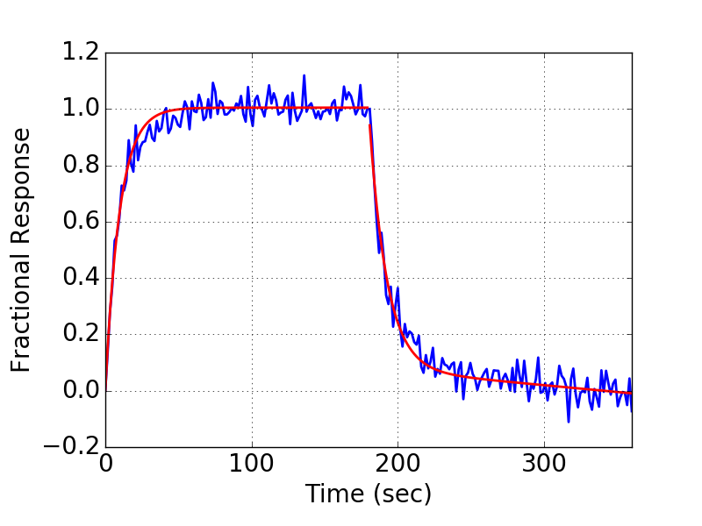 | 0 | Partial | AHQ | IgG | Monomer | 100 | 1.31E-07 | 7.02E+13 | 5.40E+05 | 4.53E+12 | 7.07E-02 | 3.67E-02 | 2.17 | 0.22 | 0.84 | 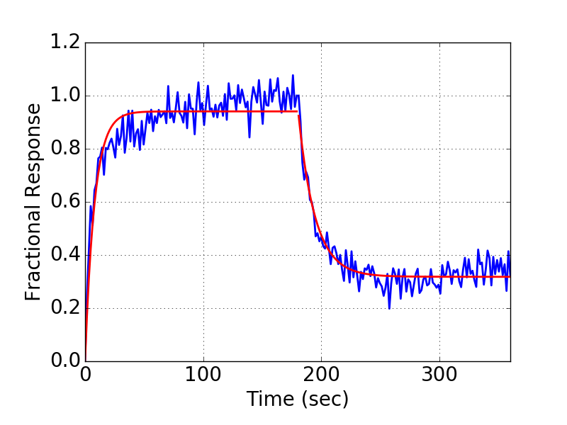
4 | Partial | SA | Monomer | Fab | 213 | 4.45E-08 | 1.71E+16 | 2.08E+06 | 2.72E+14 | 9.24E-02 | 8.54E-02 | 1.39 | 3.51E+00 | 0.82 | 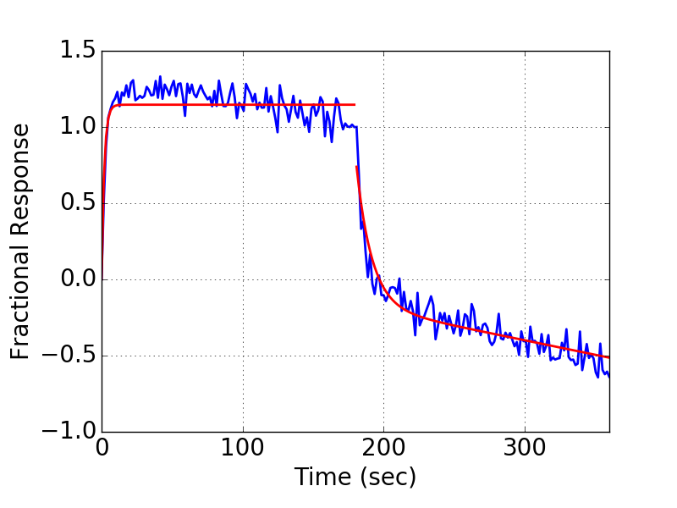 | 4 | Partial | AHQ | IgG | Monomer | 100 | 2.00E-07 | 6.91E+14 | 5.16E+05 | 1.36E+13 | 1.03E-01 | 5.23E-02 | 2.63 | 0.37 | 0.76 | 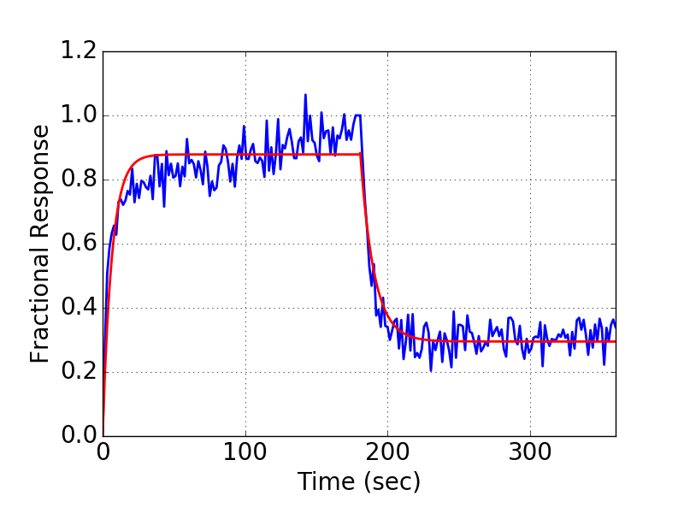
6 | Partial | SA | Monomer | Fab | 191 | 1.06E-07 | 4.27E+14 | 1.11E+06 | 2.29E+13 | 1.18E-01 | 8.87E-02 | 1.48 | 9.19E-01 | 0.76 | 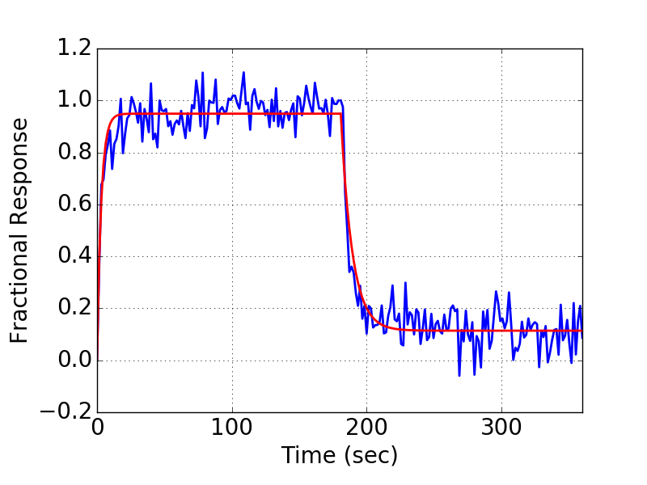 | 6 | Partial | AHQ | IgG | Monomer | 100 | 2.34E-07 | 1.22E+14 | 4.45E+05 | 4.93E+12 | 1.04E-01 | 3.43E-02 | 3.08 | 0.22 | 0.87 | 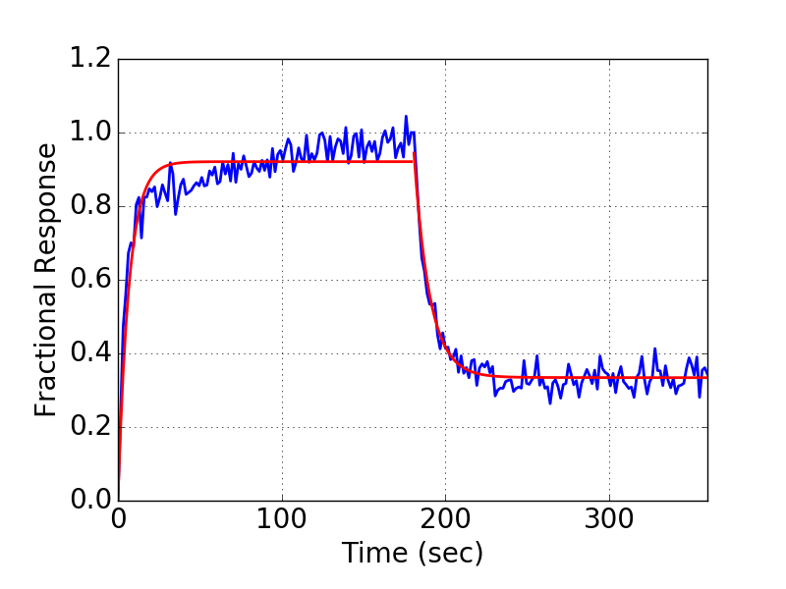
13 | Partial | SA | Monomer | Fab | 131 | 1.35E-07 | 6.47E+13 | 1.11E+05 | 8.95E+11 | 1.50E-02 | 4.76E-03 | 2.01 | 1.24E-01 | 0.99 | 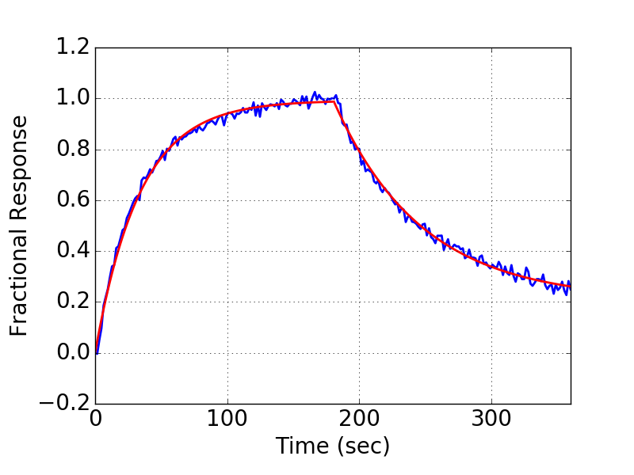 | 13 | Partial | AHQ | IgG | Monomer | 100 | 3.40E-08 | 8.51E+13 | 3.40E+05 | 3.13E+12 | 1.15E-02 | 2.03E-02 | 1.19 | 0.18 | 0.90 | 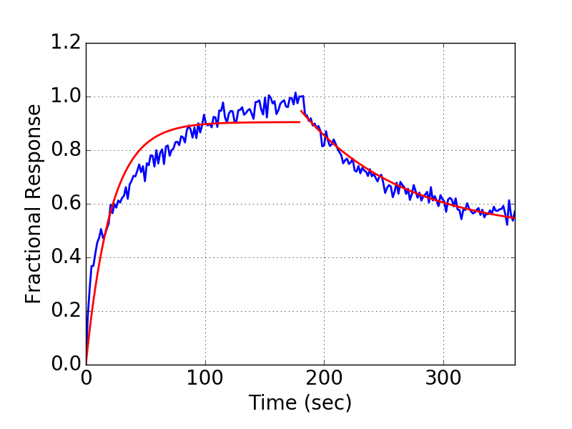
18 | Partial | SA | Monomer | Fab | 158 | 1.34E-08 | 1.62E+14 | 1.72E+05 | 2.20E+12 | 2.31E-03 | 8.19E-03 | 1.04 | 2.34E-01 | 0.99 | 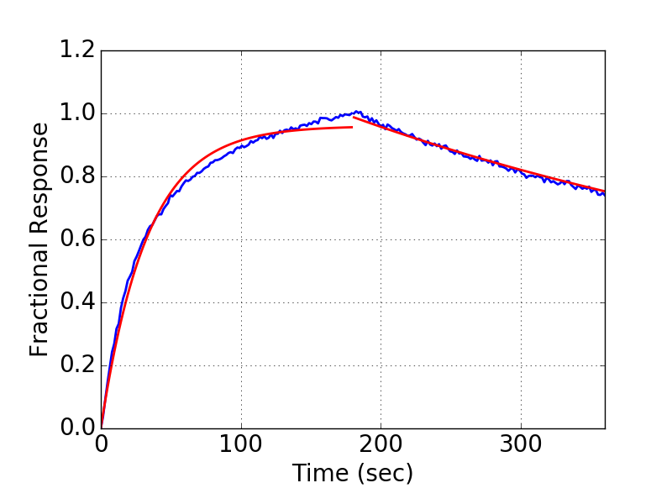 | 18 | Full | AHQ | IgG | Monomer | 100 | 6.43E-10 | 7.69E-01 | 1.46E+06 | 7.24E+05 | 9.40E-04 | 6.80E-04 | 0.99 | 0.00 | 0.94 | 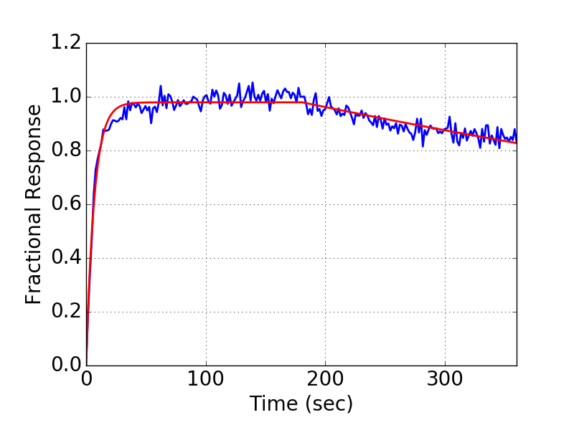
19 | Decon | SA | Monomer | Fab | 246 | 2.79E-07 | 6.19E-01 | 1.81E+05 | 1.42E+05 | 5.03E-02 | 0.00E+00 | 2.05 | 9.27E-05 | 0.98 | 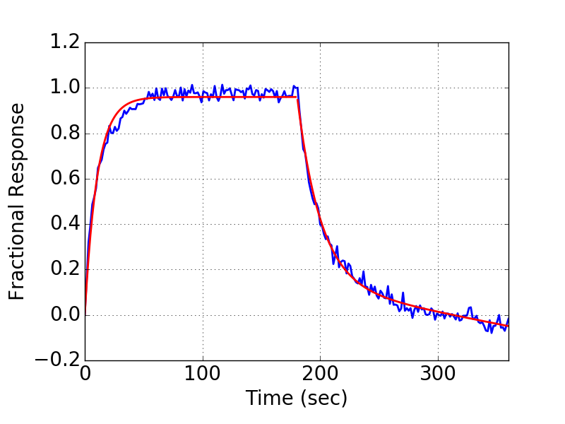 | 19 | Partial | AHQ | IgG | Monomer | 100 | 1.00E-07 | 1.24E+14 | 5.61E+05 | 6.25E+12 | 5.63E-02 | 2.62E-02 | 1.83 | 0.25 | 0.94 | 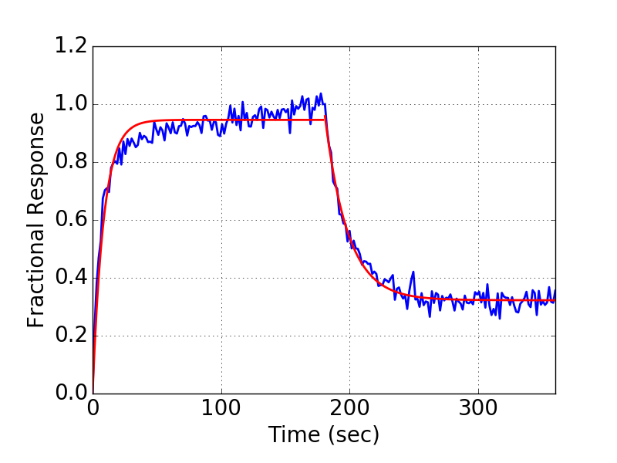
21 | Partial | SA | Monomer | Fab | 107 | 1.22E-07 | 1.31E+15 | 1.38E+05 | 5.00E+12 | 1.69E-02 | 5.38E-03 | 2.07 | 2.39E-01 | 0.99 | 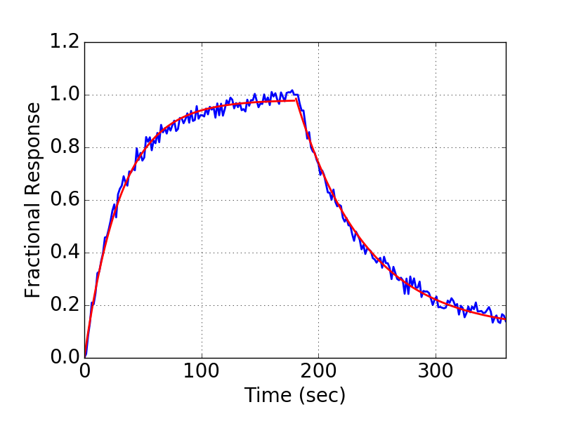 | 21 | Decon | AHQ | IgG | Monomer | 100 | 2.02E-08 | 3.10E-01 | 1.32E+06 | 7.36E+05 | 2.67E-02 | 0.00E+00 | 1.22 | 0.00 | 0.95 | 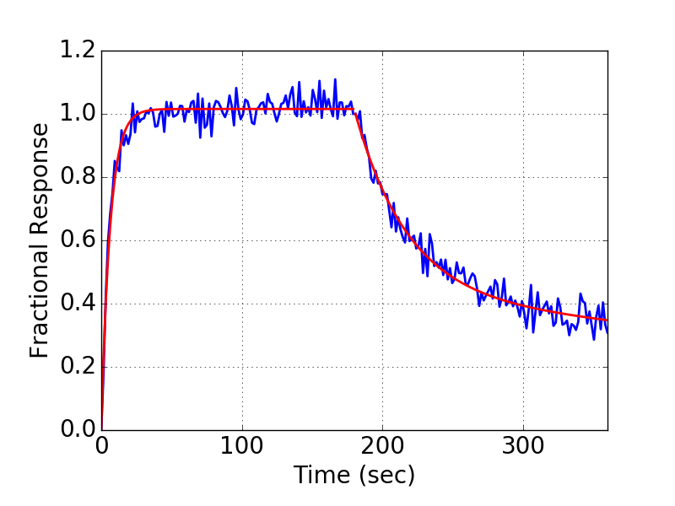
1 | Partial | SA | Monomer | Fab | 156 | 1.02E-06 | 2.72E+13 | 5.74E+04 | 2.99E+11 | 5.88E-02 | 2.95E-02 | 6.74 | 9.03E-02 | 0.72 | 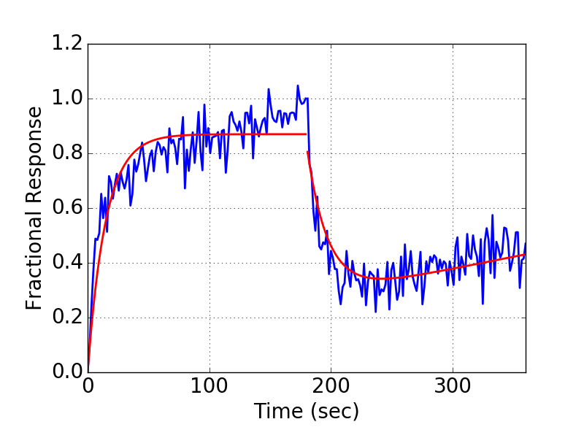 | 1 | Partial | AHQ | IgG | Monomer | 100 | 2.00E-07 | 4.93E+13 | 4.97E+05 | 3.49E+12 | 9.95E-02 | 6.59E-02 | 2.54 | 0.20 | 0.61 | 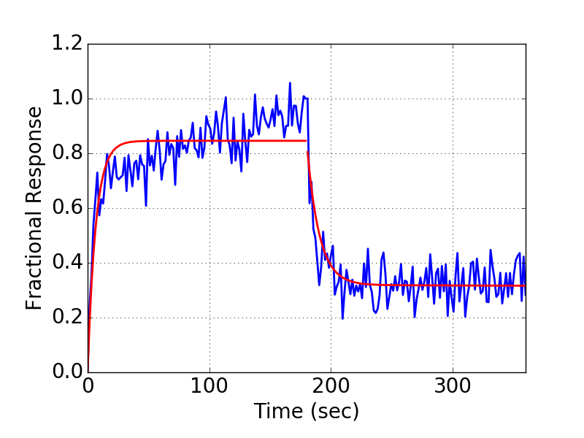
2 | Partial | SA | Monomer | Fab | 176 | 1.36E-07 | 1.61E+14 | 1.84E+05 | 2.34E+12 | 2.50E-02 | 1.09E-02 | 1.68 | 2.69E-01 | 0.98 | 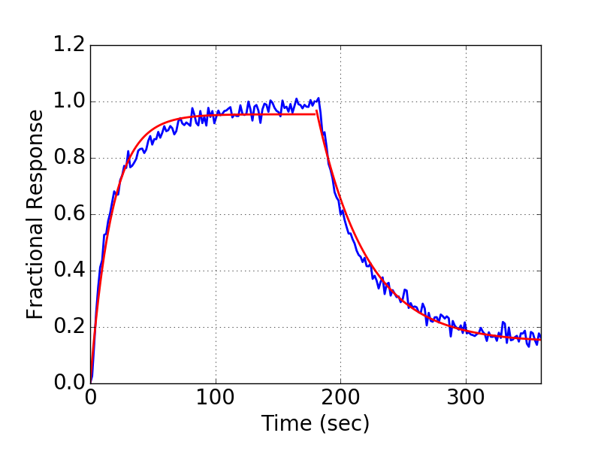 | 2 | Partial | AHQ | IgG | Monomer | 100 | 4.11E-08 | 1.72E+14 | 6.91E+05 | 9.07E+12 | 2.84E-02 | 2.32E-02 | 1.36 | 0.30 | 0.96 | 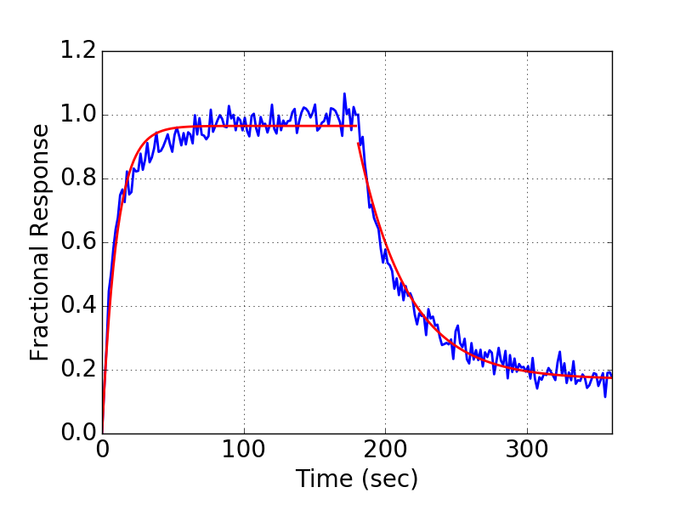
3 | Partial | SA | Monomer | Fab | 48 | 4.17E-07 | 5.55E+13 | 3.41E+04 | 2.54E+11 | 1.42E-02 | 6.32E-03 | 10.53 | 2.50E-02 | 0.98 | 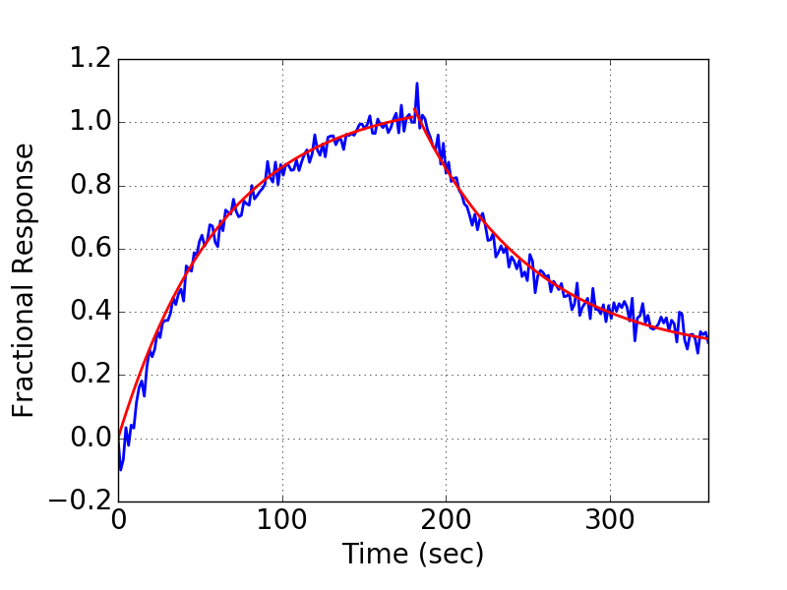 | 3 | Decon | AHQ | IgG | Monomer | 100 | 1.21E-08 | 9.33E-01 | 2.44E+06 | 2.35E+06 | 2.94E-02 | 0.00E+00 | 1.07 | 0.00 | 0.87 | 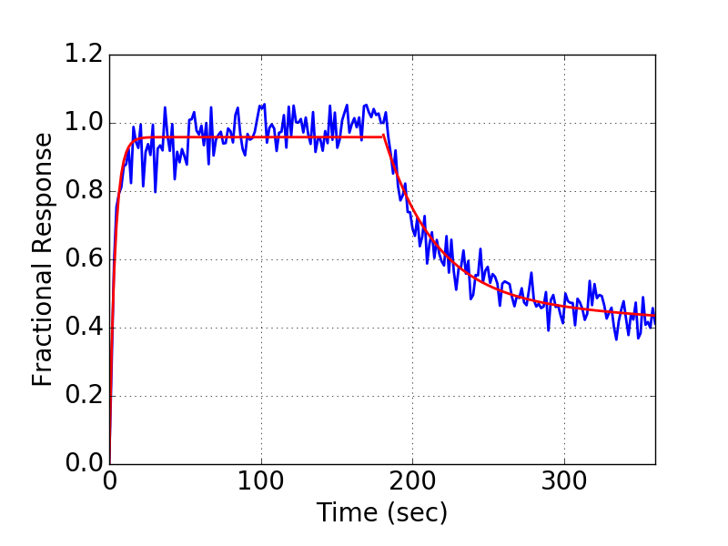
4 | Partial | SA | Monomer | Fab | 69 | 1.91E-07 | 1.03E+14 | 4.15E+05 | 4.20E+12 | 7.91E-02 | 3.95E-02 | 3.50 | 1.47E-01 | 0.75 | 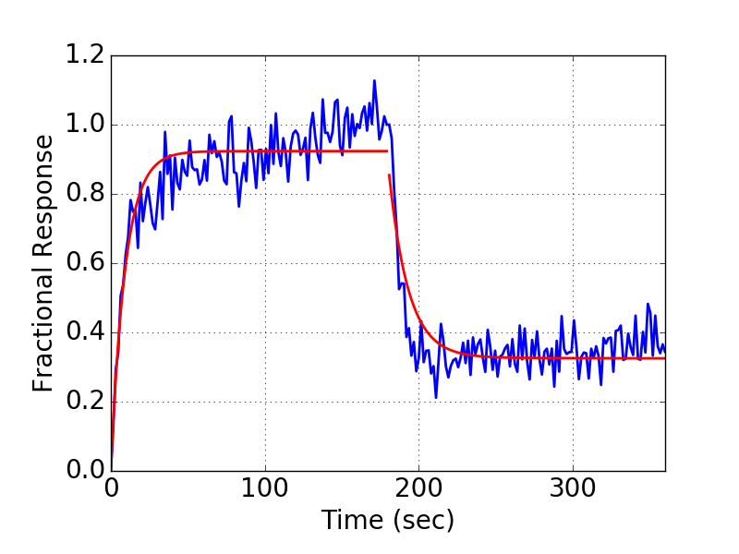 | 4 | Decon | AHQ | IgG | Monomer | 100 | 5.30E-08 | 1.06E+00 | 1.78E+06 | 1.83E+06 | 9.42E-02 | 0.00E+00 | 1.55 | 0.00 | 0.93 | 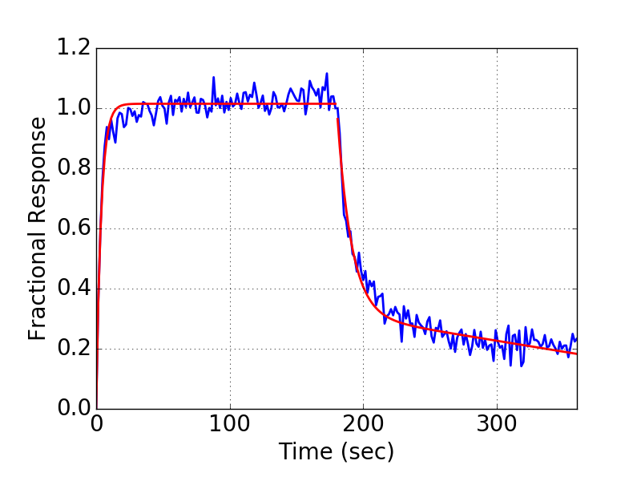
5 | Partial | SA | Monomer | Fab | 130 | 6.95E-08 | 5.08E+14 | 2.10E+05 | 4.74E+12 | 1.46E-02 | 6.94E-03 | 1.61 | 2.83E-01 | 0.98 | 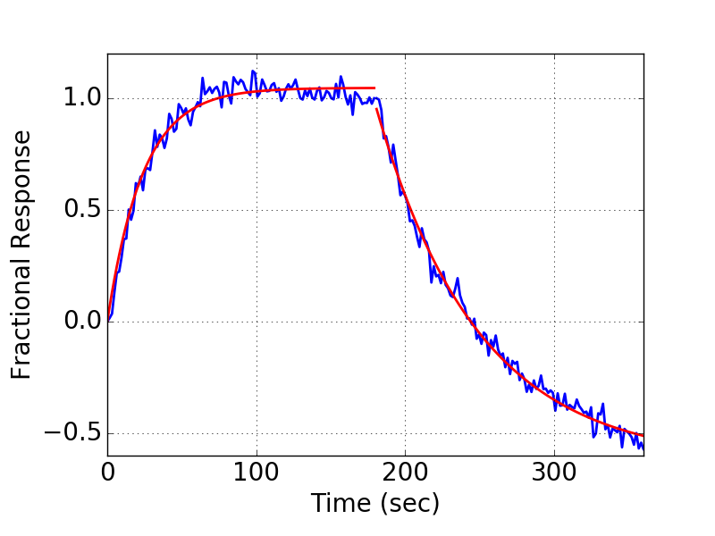 | 5 | Partial | AHQ | IgG | Monomer | 100 | 2.48E-08 | 5.55E+14 | 9.47E+05 | 2.23E+13 | 2.35E-02 | 1.79E-02 | 1.23 | 0.47 | 0.99 | 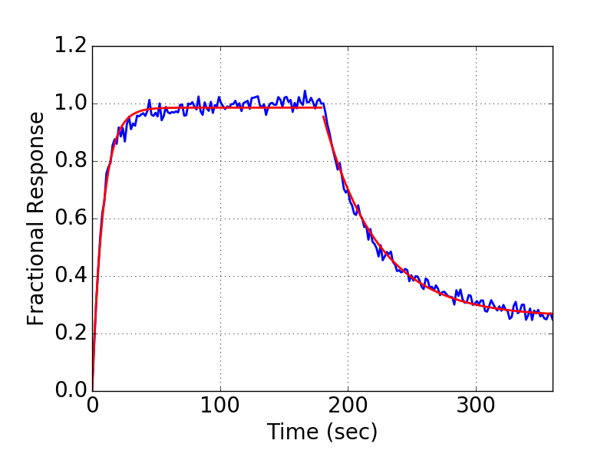
6 | Partial | SA | Monomer | Fab | 82 | 5.77E-08 | 4.48E+13 | 6.82E+04 | 4.57E+11 | 3.94E-03 | 4.44E-03 | 2.05 | 5.56E-02 | 0.99 | 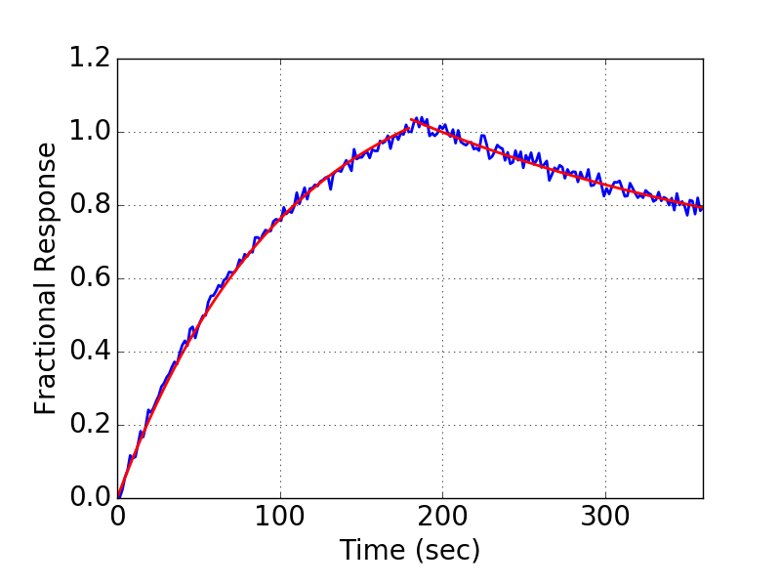 | 6 | Partial | AHQ | IgG | Monomer | 100 | 7.70E-09 | 5.26E+14 | 9.35E+05 | 2.14E+13 | 7.20E-03 | 1.91E-02 | 1.06 | 0.46 | 0.96 | 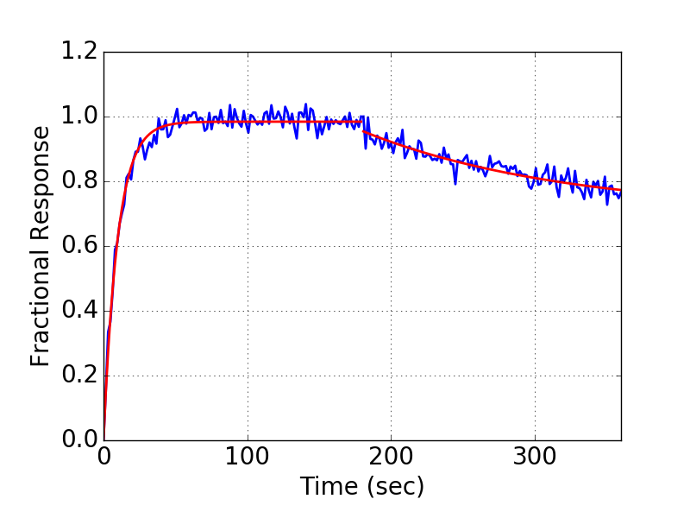
7 | Partial | SA | Monomer | Fab | 140 | 8.79E-08 | 3.40E+14 | 3.08E+05 | 5.68E+12 | 2.71E-02 | 1.19E-02 | 1.67 | 3.34E-01 | 0.99 | 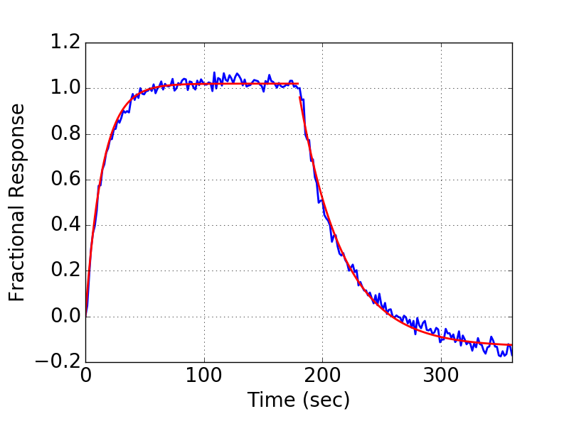 | 7 | Partial | AHQ | IgG | Monomer | 100 | 1.76E-08 | 8.39E+15 | 1.68E+06 | 1.54E+14 | 2.95E-02 | 3.72E-02 | 1.19 | 1.24 | 0.95 | 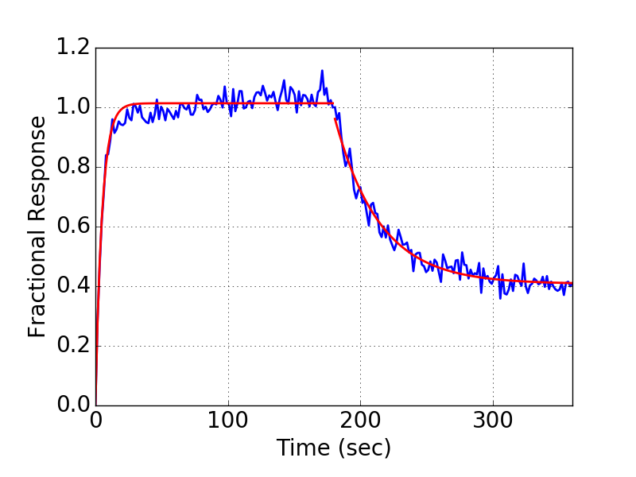
8 | Partial | SA | Monomer | Fab | 253 | 4.37E-08 | 1.45E+14 | 1.12E+05 | 1.35E+12 | 4.88E-03 | 6.59E-03 | 1.13 | 2.94E-01 | 0.99 | 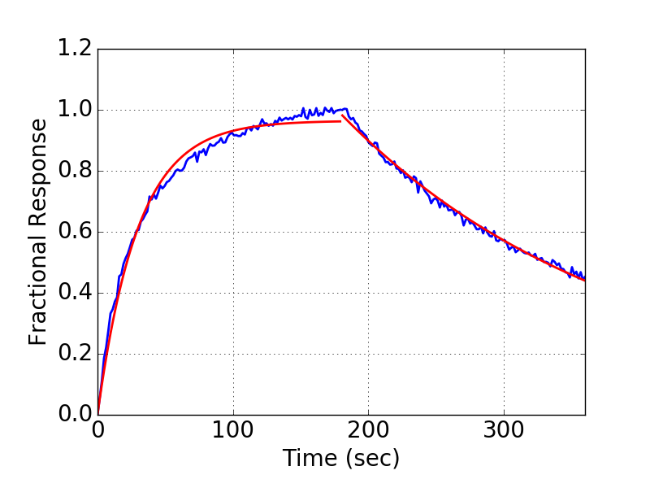 | 8 | Partial | AHQ | IgG | Monomer | 100 | 1.43E-08 | 4.65E+14 | 6.27E+05 | 1.35E+13 | 9.00E-03 | 1.13E-02 | 1.14 | 0.37 | 0.98 | 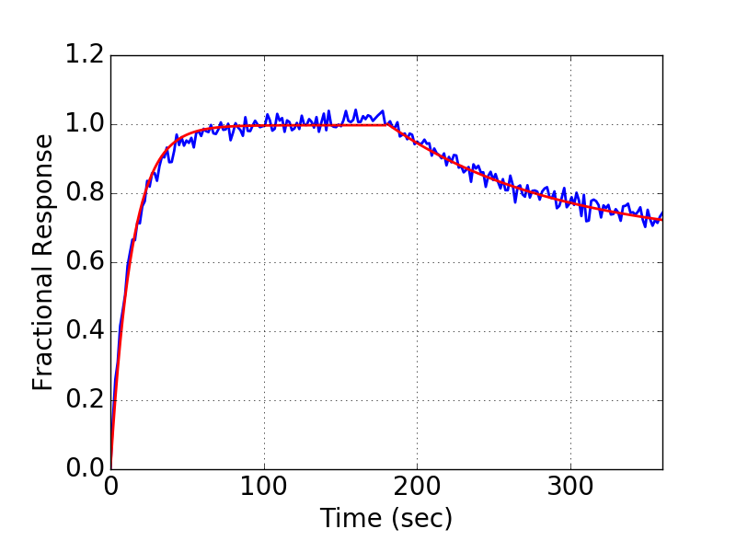
9 | Decon | SA | Monomer | Fab | 135 | 3.08E-07 | 1.17E+00 | 3.10E+05 | 3.36E+05 | 9.53E-02 | 0.00E+00 | 3.22 | 7.82E-05 | 0.94 | 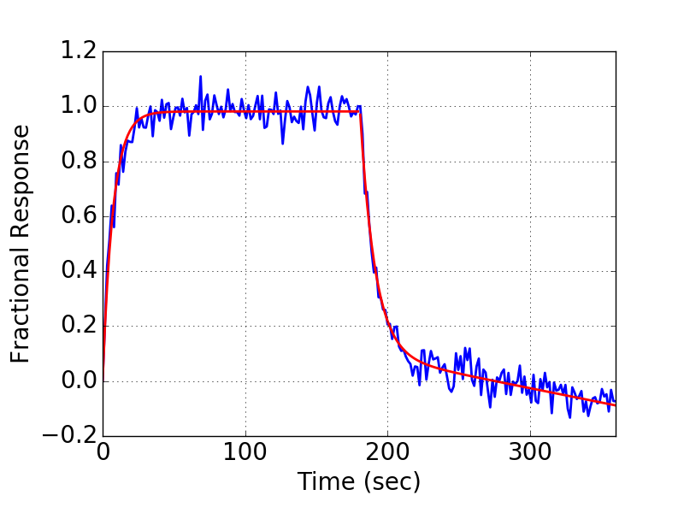 | 9 | Decon | AHQ | IgG | Monomer | 100 | 4.99E-08 | 5.47E-01 | 1.70E+06 | 1.25E+06 | 8.47E-02 | 0.00E+00 | 1.51 | 0.00 | 0.96 | 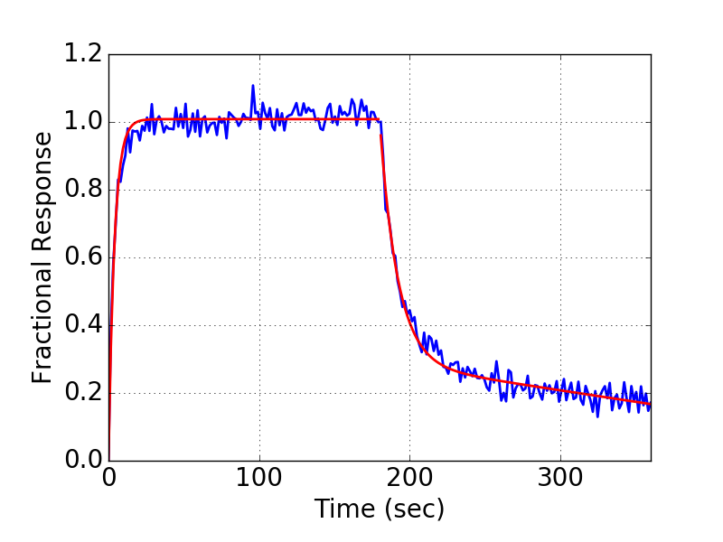
10 | Partial | SA | Monomer | Fab | 174 | 1.03E-07 | 9.37E+14 | 2.41E+05 | 7.38E+12 | 2.50E-02 | 1.20E-02 | 1.56 | 4.73E-01 | 0.99 | 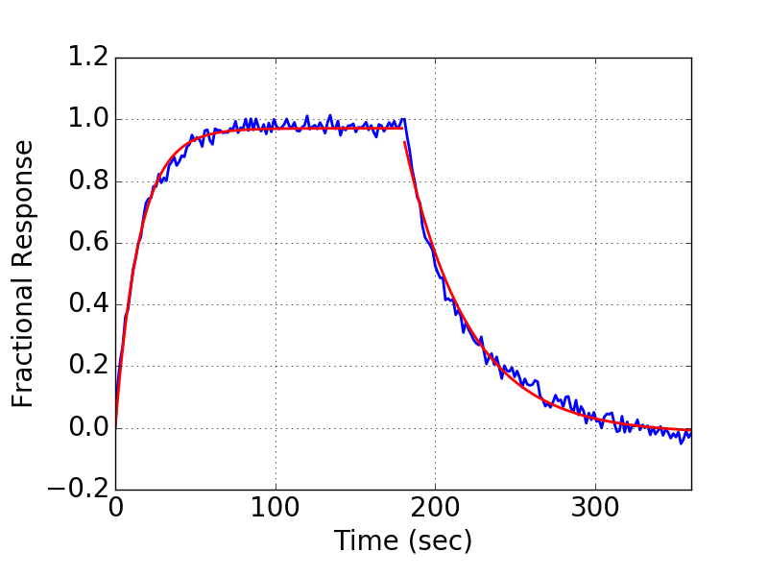 | 10 | Decon | AHQ | IgG | Monomer | 100 | 2.41E-08 | 5.71E-01 | 1.94E+06 | 1.46E+06 | 4.67E-02 | 0.00E+00 | 1.22 | 0.00 | 0.97 | 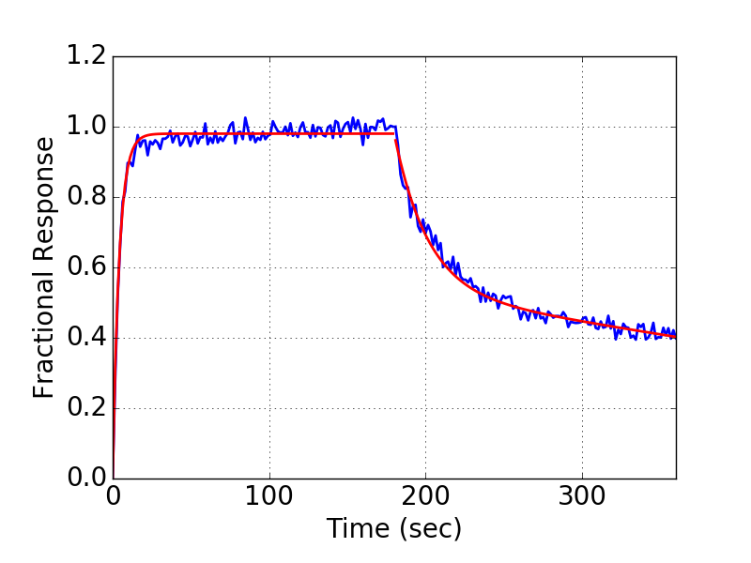
11 | Partial | SA | Monomer | Fab | 206 | 8.53E-08 | 2.20E+15 | 5.96E+05 | 2.80E+13 | 5.08E-02 | 3.09E-02 | 1.48 | 1.09E+00 | 0.93 | 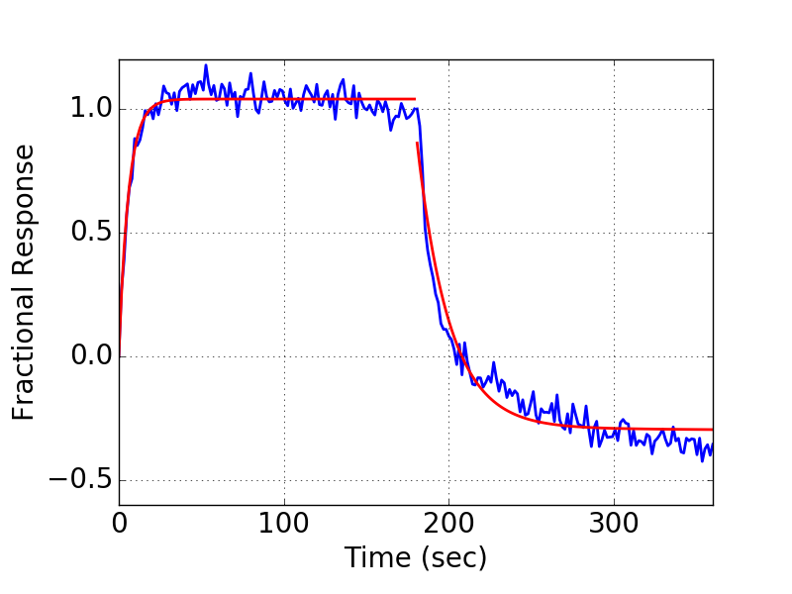 | 11 | Partial | AHQ | IgG | Monomer | 100 | 1.79E-07 | 5.37E+13 | 3.84E+05 | 2.81E+12 | 6.87E-02 | 2.69E-02 | 2.50 | 0.17 | 0.91 | 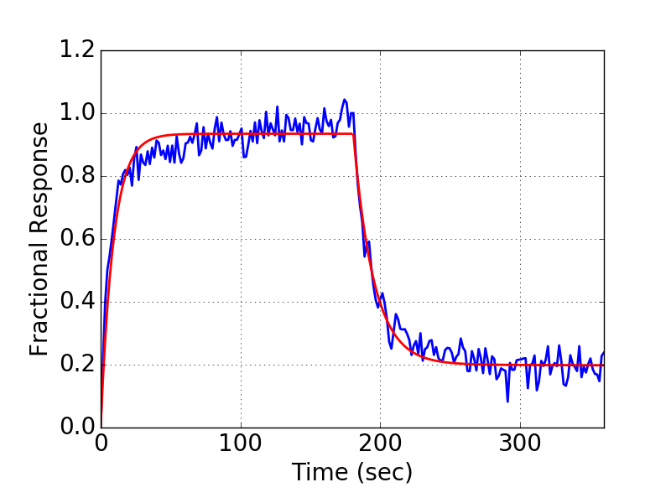
12 | Partial | SA | Monomer | Fab | 152 | 6.69E-08 | 7.83E+13 | 3.04E+05 | 2.69E+12 | 2.03E-02 | 9.86E-03 | 1.39 | 2.49E-01 | 0.99 | 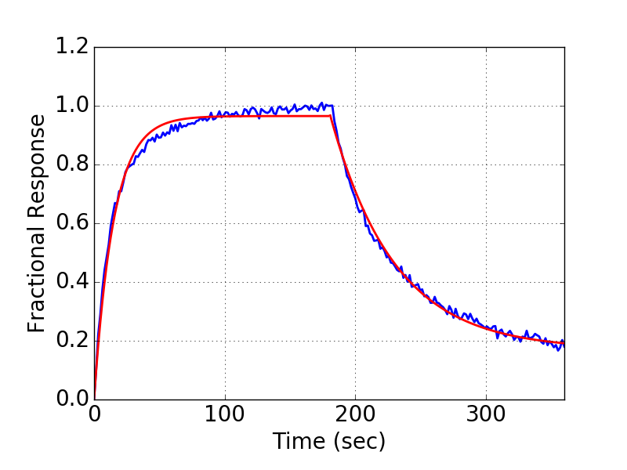 | 12 | Decon | AHQ | IgG | Monomer | 100 | 2.53E-08 | 9.88E-01 | 1.37E+06 | 1.37E+06 | 3.48E-02 | 0.00E+00 | 1.19 | 0.00 | 0.96 | 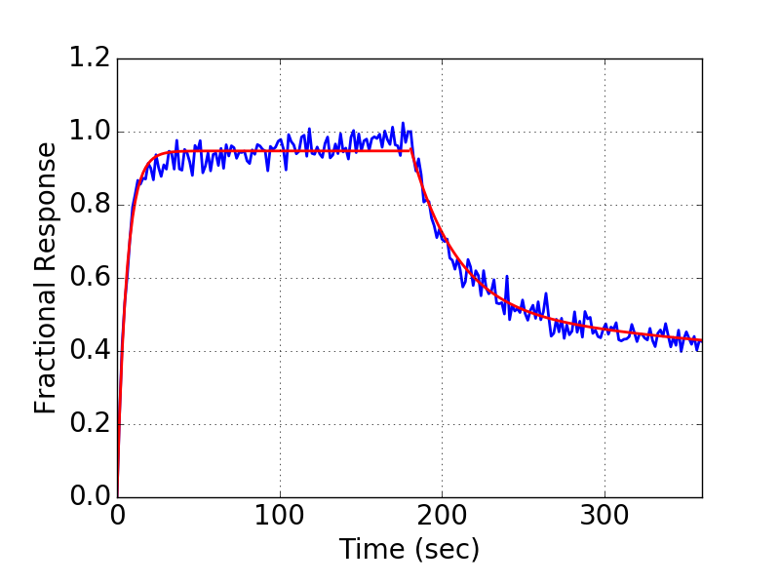
13 | Partial | SA | Monomer | Fab | 160 | 3.16E-07 | 5.55E+13 | 4.85E+05 | 3.61E+12 | 1.53E-01 | 5.34E-02 | 3.02 | 3.09E-01 | 0.88 | 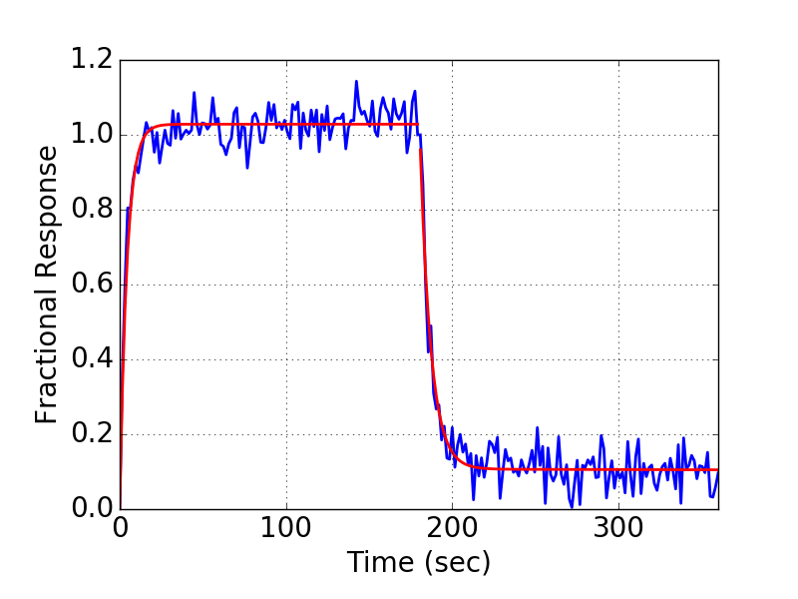 | 13 | Decon | AHQ | IgG | Monomer | 100 | 8.42E-08 | 1.43E+00 | 1.35E+06 | 1.62E+06 | 1.14E-01 | 0.00E+00 | 1.73 | 0.00 | 0.91 | 